Лист1
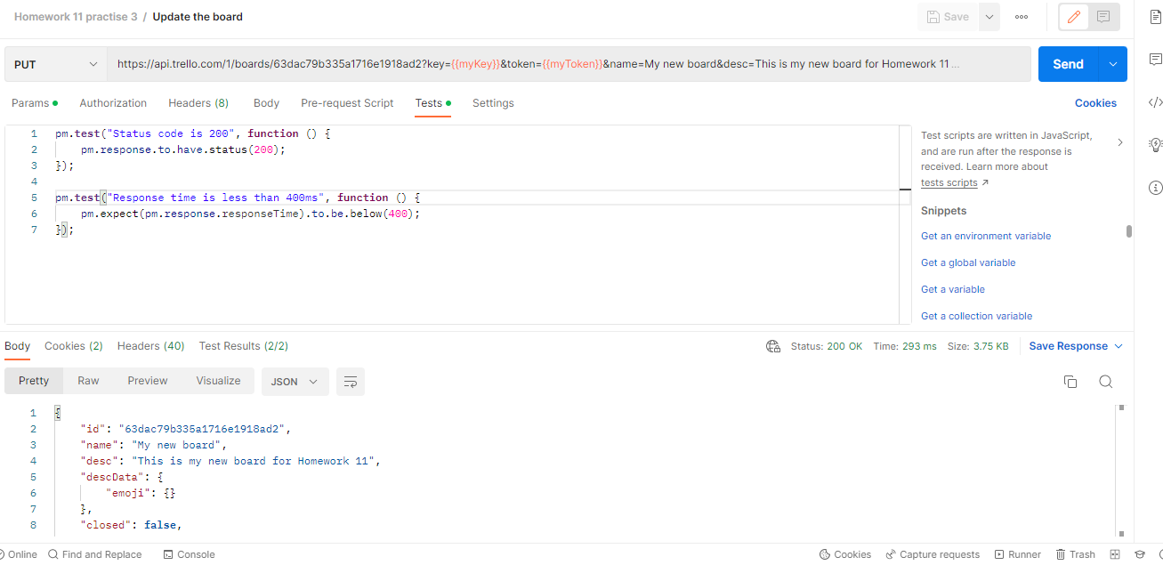
TASK | Open the Trello API documentation Study the documentation, see what actions can be performed through queries. Create the following requests through Postman:

1 | Create a column on the board on the left in the documentation, the section is called “Create a new List” add tests: to check the status of the code; to check the request time; to check that the value “name” is a string;
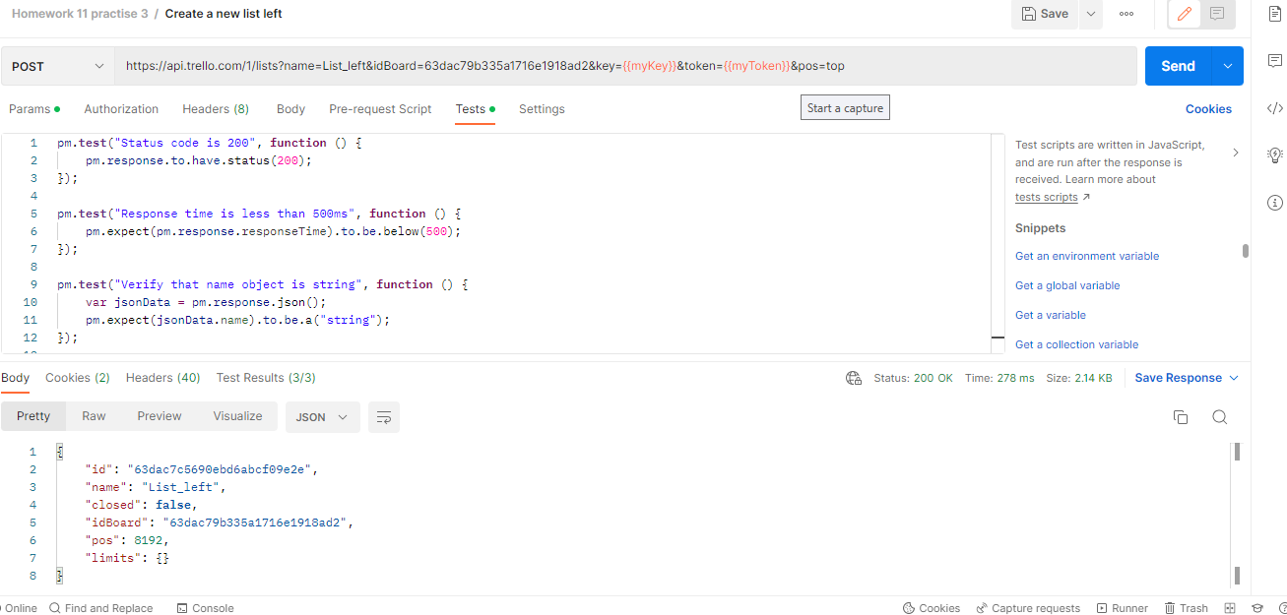

2 | Create a column on the board to the right in the documentation, the section is called “Create a new List” add tests: to check the status of the code; to check the request time; to check that the value “name” is a string;
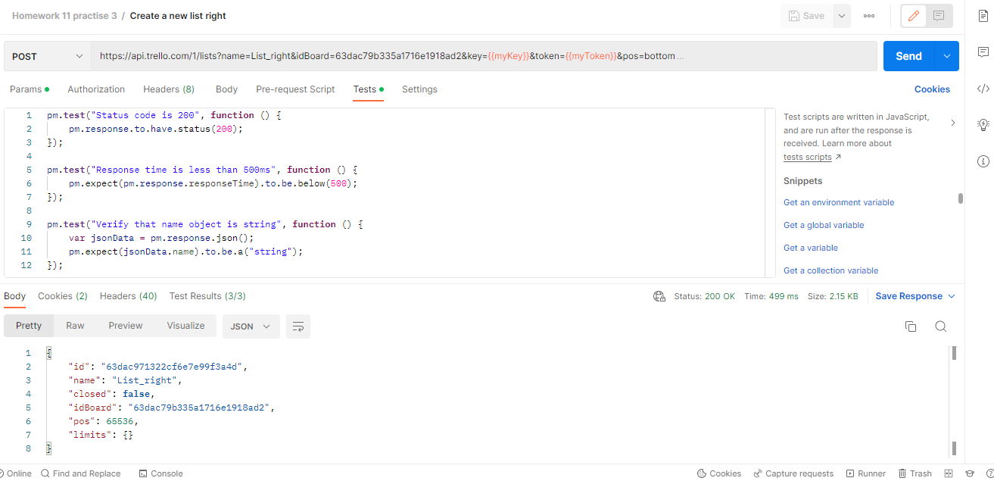

3 | Create one card in each column on the board in the documentation, the section is called “Create a new Card” create one card in each column that is on the board add tests: to check the status of the code; to check the request time; to check that the value of "id" is a string;
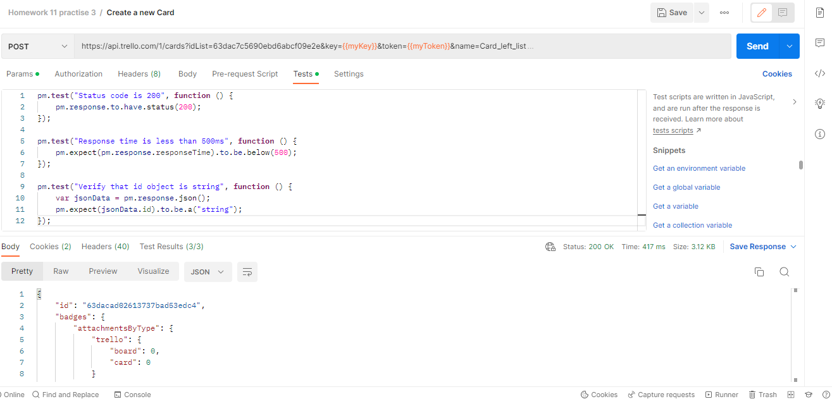

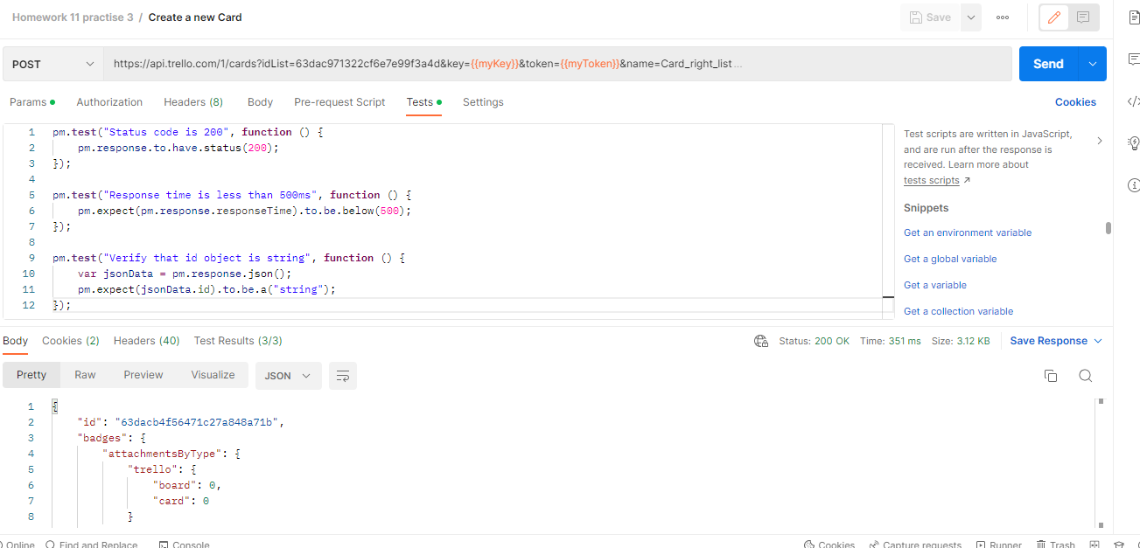

4 | Update information about the created board in the documentation, the section is called “Update a Board” change the name of the board add a description of the board add tests: to check the status of the code; to check the request time;

